INSTRUCTIONS
INSTRUCTIONS: Use the State CTE Grant Budget Template worksheet to gather and prepare the necessary information to enable quick and easy entry into the GMS Budget. Add rows as needed. Review the "Example Worksheet" for a sample completed budget.

 | On the bottom of this page click on the second worksheet Tab titled "TEMPLATE | Budget Worksheet"
Step 1:

Step 2: | Enter your LEA's Name and total State Grant allocation in cells I3 and I4.

Step 3: | Use one row per expenditure and provide required detail. Use the drop down menus for selecting the reVISION Element Alignment, Function Code, and Object Code (this will streamline things when you enter your budget into GMS).

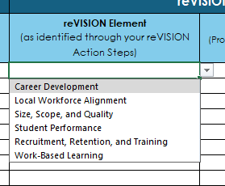
 | Note: the drop down arrow will appear when you click into a cell. Once it appears, click on the arrow to see the full menu.

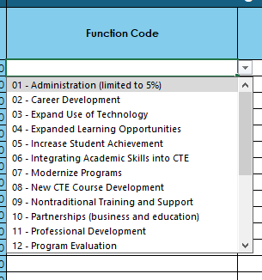

 | Note: Each row should align with only one object code. Use multiple rows (e.g., one row for Salaries - 100s, one row for Benefits - 200s), as needed. Be sure to confirm the formulas are accurate after inserting an additional row.

Step 4: | (OPTIONAL) If claiming indirect or administrative costs, max 5% of grant award (less capital assets), enter the total amount at the bottom of the worksheet. If not claiming, leave blank or enter $0.00.

Step 5: | Review the difference between your total allocation and the expenditures within your budget to ensure adequate funding. Adjust as needed.

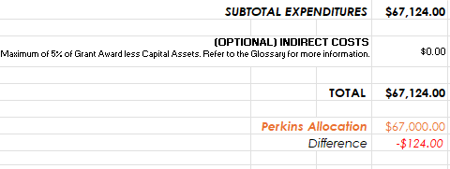

NOTE: Do not modify this Budget Workbook or the Budget Worksheet Teamplate (no added Tabs or Columns). No alterations or modifications will be reviewd or accepted. Rows for indivudal expenses can be added to the Buget Worksheet if needed.

